Requirement
Customer Requirement
Stock
Sales
Customer
------------
customer id
Customer Phone
customer NAME
Customer Type(Bff, VIP)
FB profile
Delivery(opt)
------------------
Delivery Name
Delivery Add
First Purchase Date
Last Purchase Date
Supplier
--------
SUPPLIER
SUPPLIER NAME
SUPPLIER Contact
SUPPLIER BANK ACC:
STOCK
--------
STOCK Purchase ID
DATE
Supplier ID(*)
PURCHASE AMOUNT
REMARK(Payment Channel, Remark)
Product ID(**)
ColorId
Quantity
Delivery Name
Delivery Add
First Purchase Date
Last Purchase Date
Product
----------
Product Id
Proudct Name
Quantity
Color
-------
Color Id
Color name
Sales
-------
Sale ID
Sale TYPE
Customer ID(Name, TYPE, Phone)(**)
Sale Amount
Discount(Discount Amount,Remark)
Commission(Commission Amount, Commission Seller)
Delivery(Delivery Charges, Person & Remark)
Grand Sales(Amount, Payment Channel, Payment Remark)
Product ID(**)/ Stock
Quantity
Product
Supplier
Customer
Invoice
Profit

 |  | 4 |  |  |  |  |  | 1

Customer
-----------------------------
customer_Id
Customer_Phone
customer_NAME
Customer_Type
FB_profile
 | ERD Sample
 |  |  |  |  |  |  | Sales
 |  |  | ERD |  |  |  | expense
 |  |  | DDL |  |  |  | inv | year/mon | PK
 |  |  |  |  |  |  | ????

 |  |  |  | red | 0001 | 5
 |  |  |  | blue | 0001 | 4
 |  |  |  | black | 0001 | 3
 |  |  |  | red | 0002 | 10
 |  |  |  | blue | 0002 | 5
 |  |  |  | black | 0002 | 6

Installation tools

 | postgresql : https://www.enterprisedb.com/downloads/postgres-postgresql-downloads

DB Connection Guide
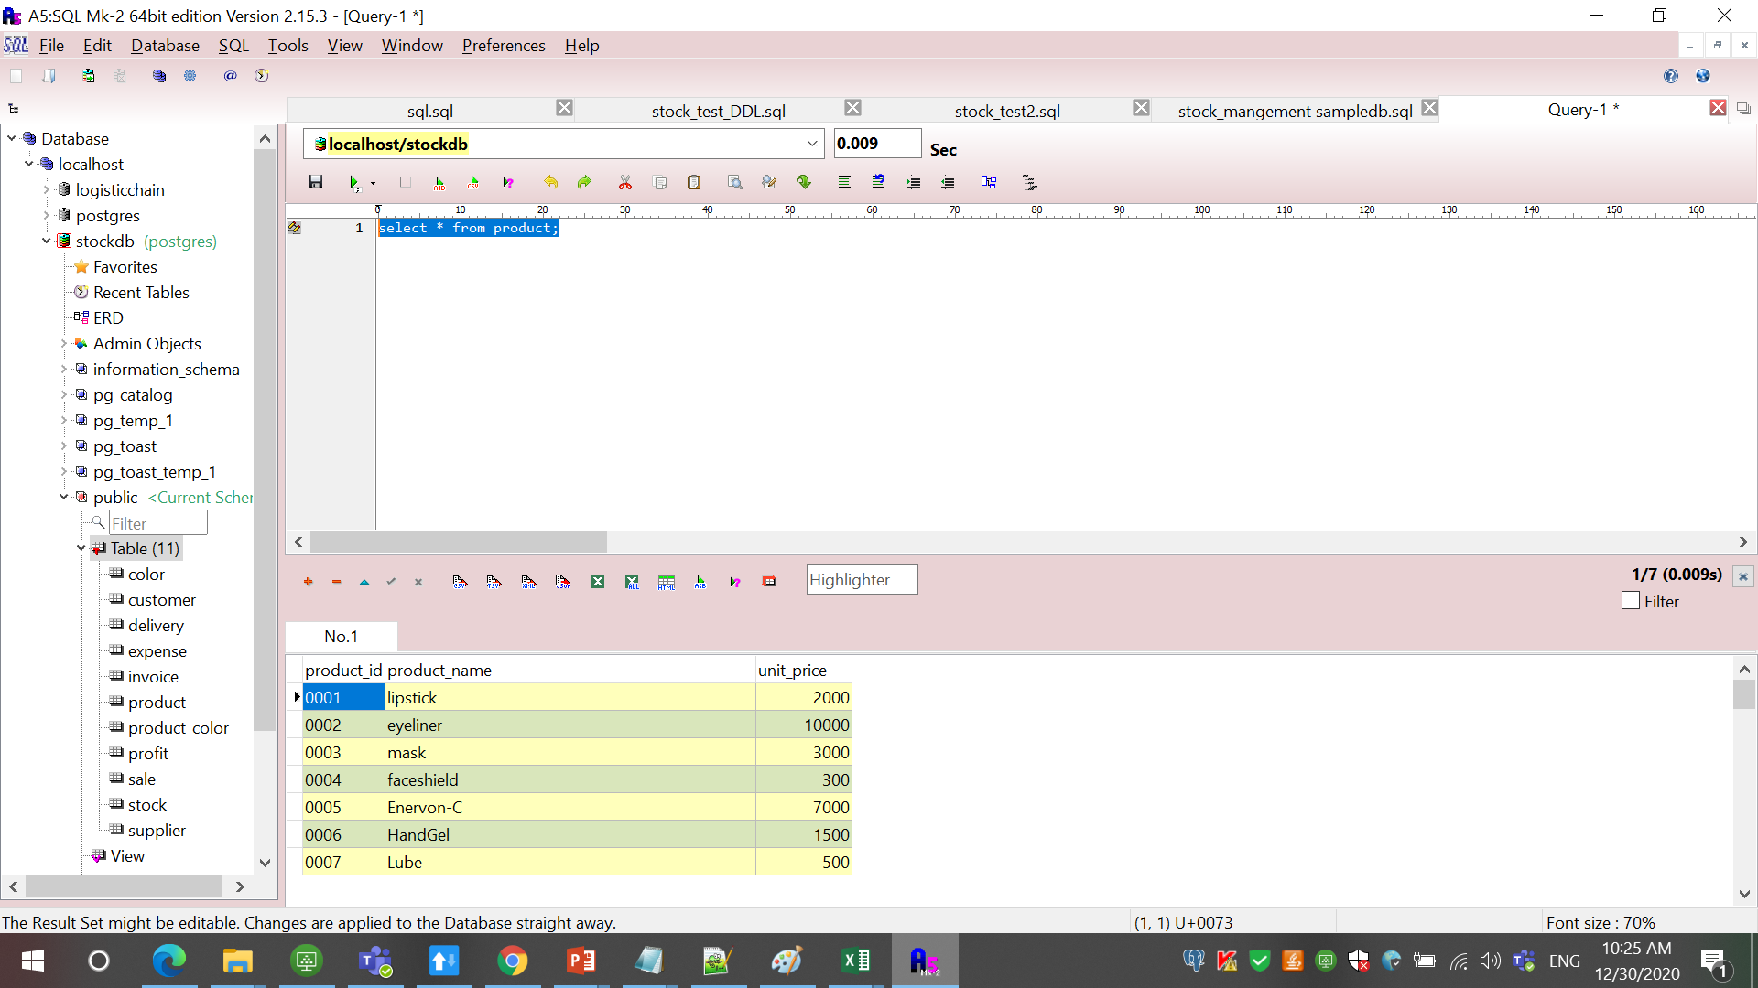
Connecting to Database

 | 1. Right Click on Database of A5MK2 software as shown below and click Add or Delete Database
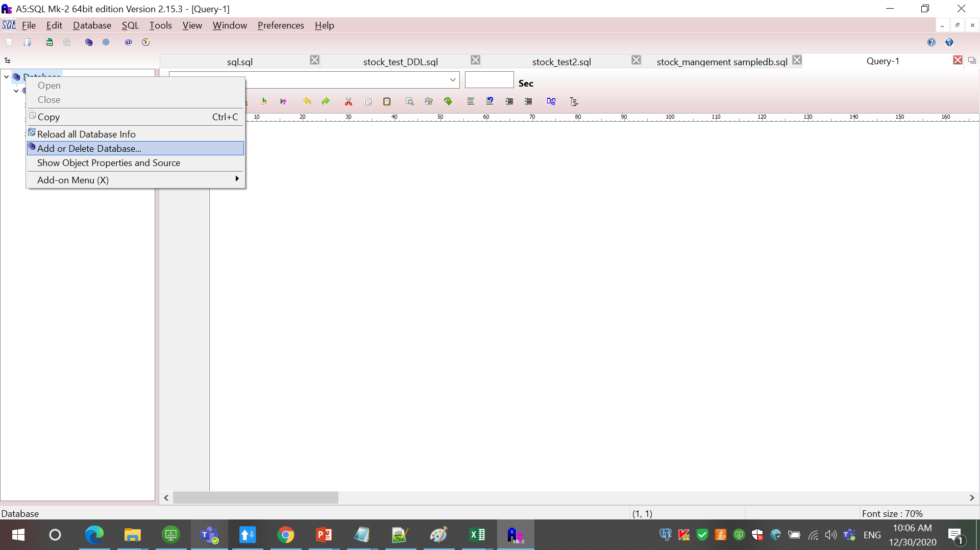

 | 2. Click Add button as shown below.

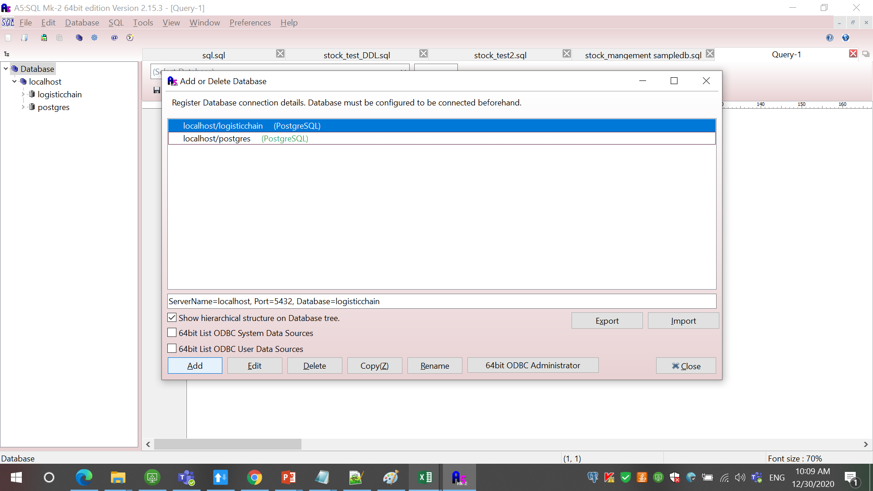

 | 3. Choose the appropriate database server we are using. (In our case, it is PostgreSQL Direct Connection). Click to proceed as shown below.
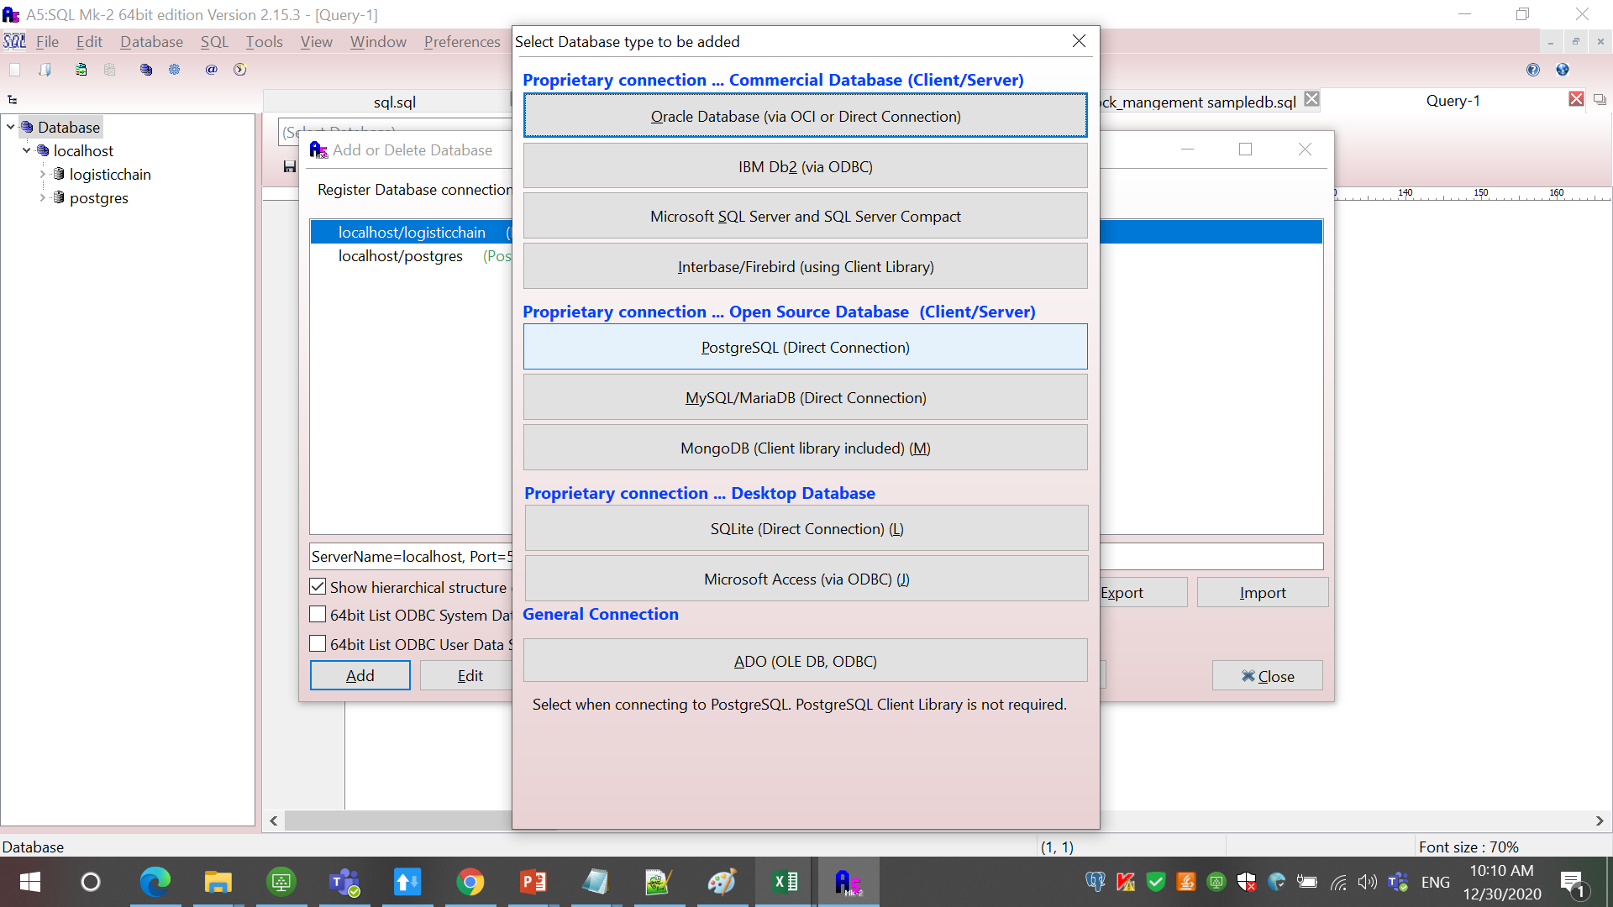

 | 4. Enter the required information below as shown in the screenshot below. --->ServerName (if server is installed locally, use localhost) --->ServerName (if server is installed on other device/pc/server use ipaddress of the db installed server) --->DatabaseName (enter created database name to access, in our case is stockdb ) --->User ID (enter authorized user ID credential to access the postgres server and database, in our case is postgres ) --->Password (enter authorized password credential to access the postgres server and database, in our case is postgres )

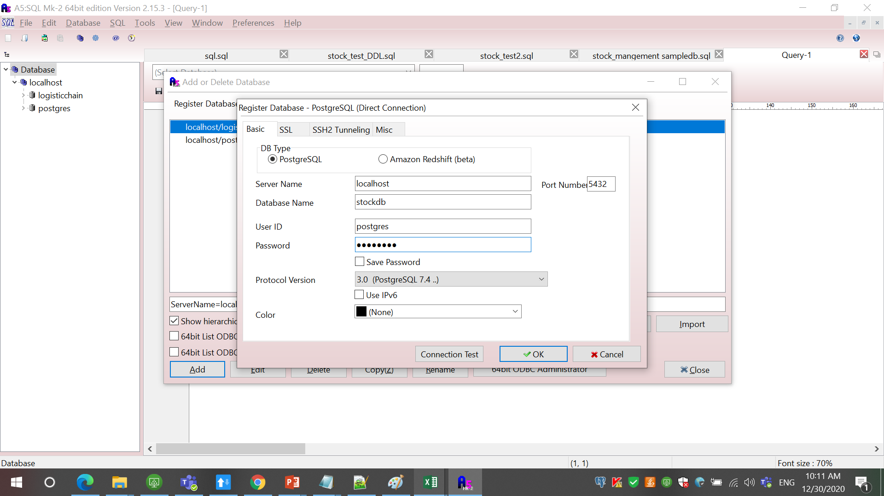

 | 5. Click Connection Test to see if the database can be accessed successfully. If success, the below screenshot will appear.
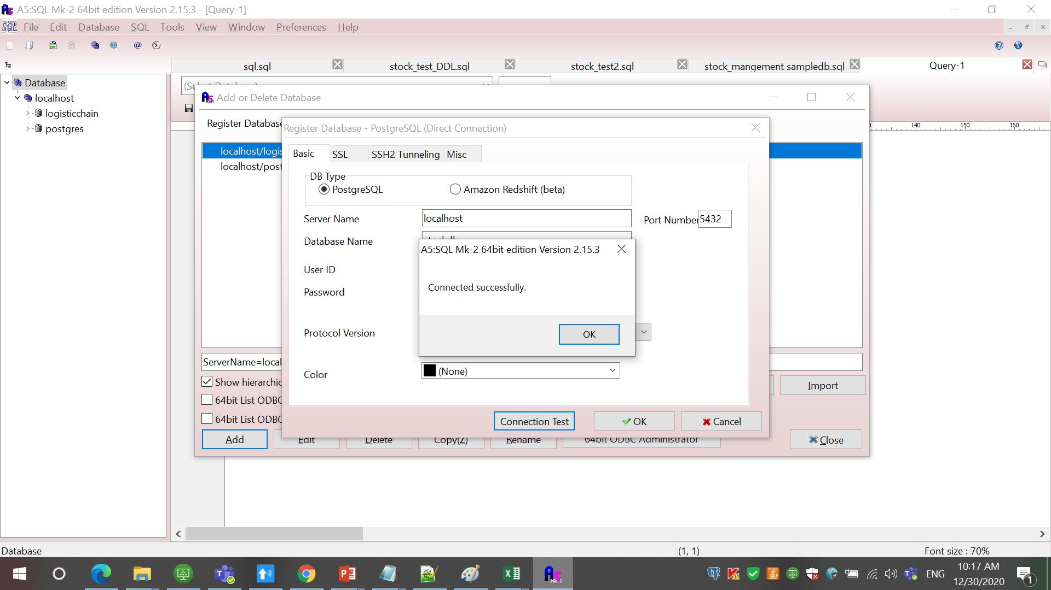

 | 6. Click OK to connect and start using the database on A5MK2. The below screenshot will appear. Click OK again!
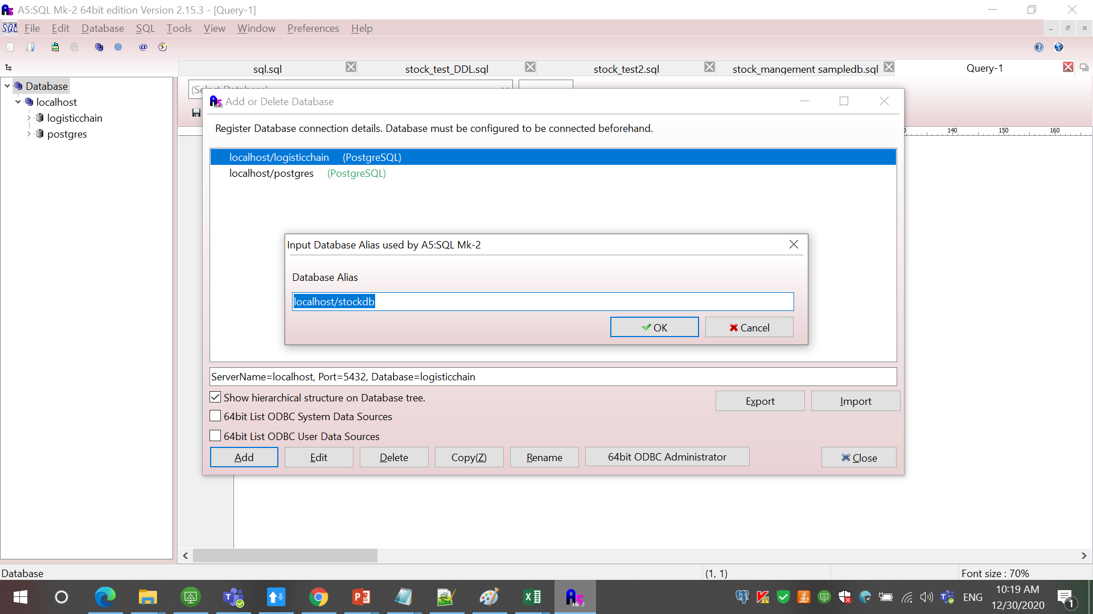

 | 7. As you see below, the database has been added and ready to use below. Click Close!
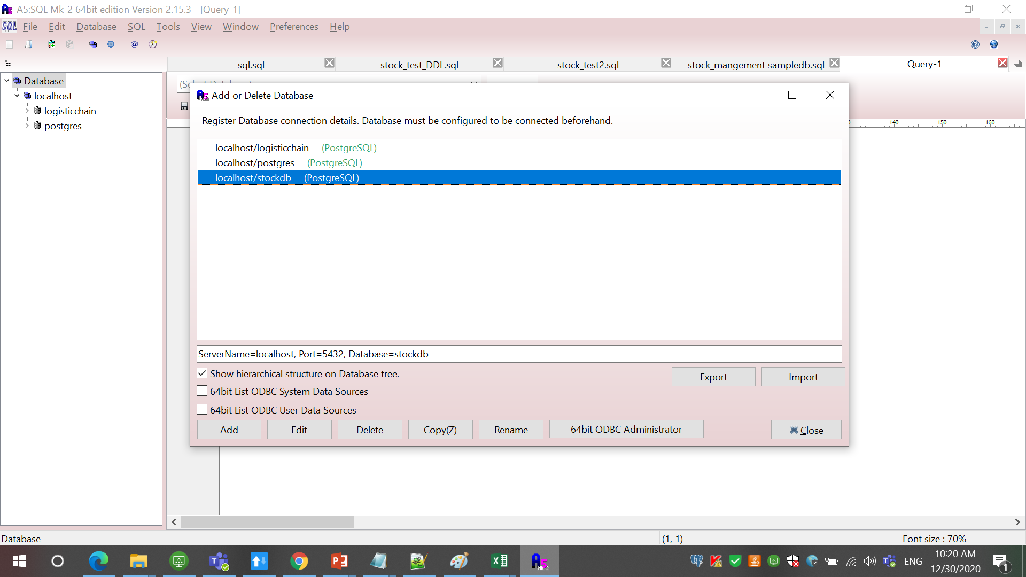

 | 8. Double Click our newly added stockdb as shown below and the wizard will appear. Enter password and click CONNECT to start access!
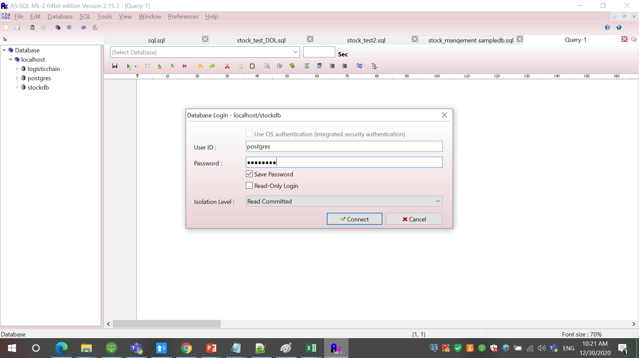

 | 9. As you see below, we have access to all table, and datas and ready for use!
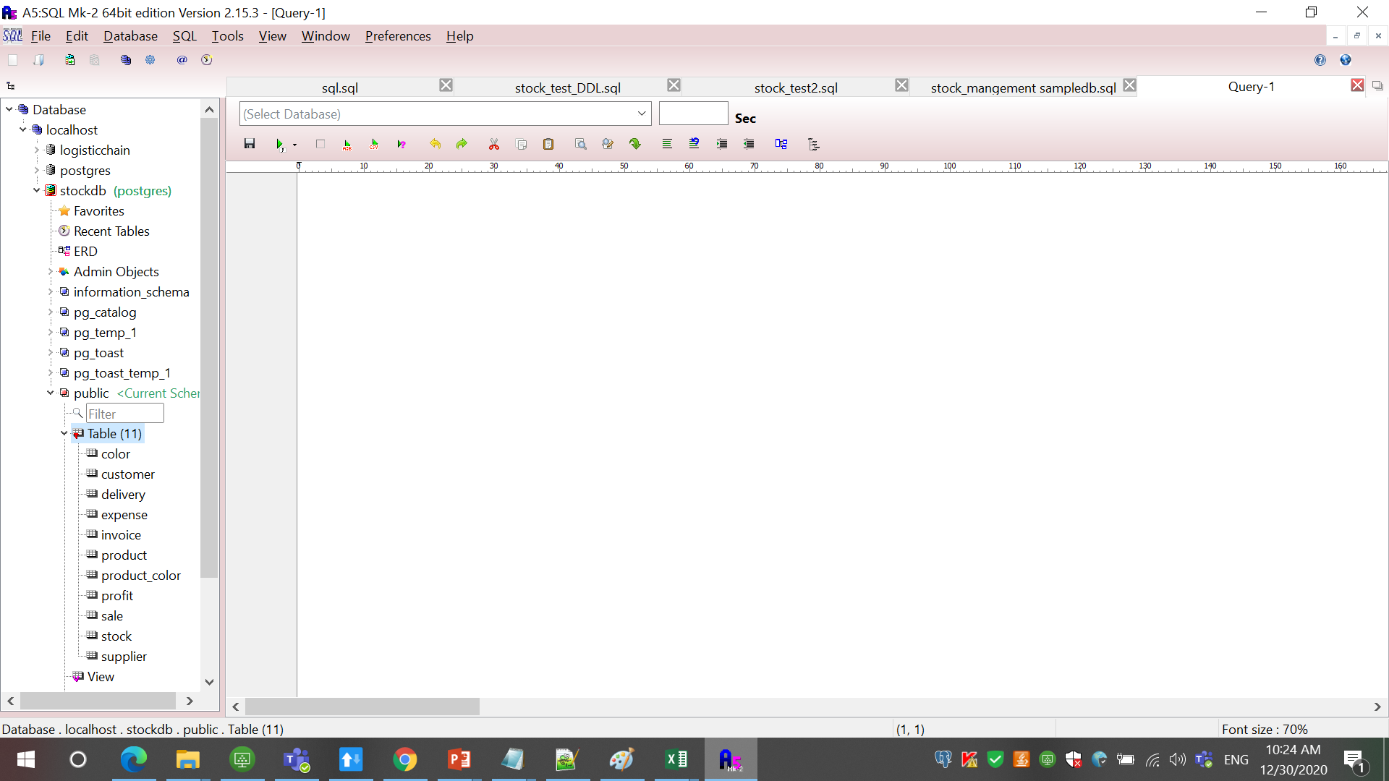

 | 10. Choose our current database as shown below on dropdown!
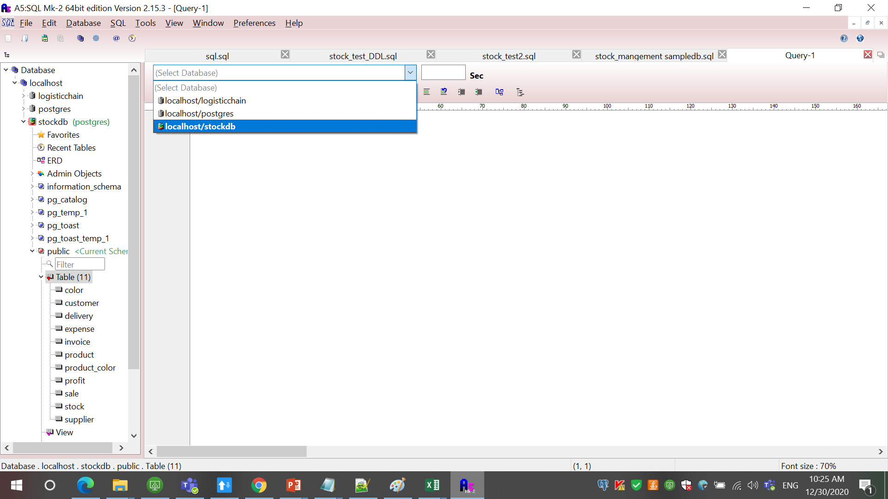

 | 11. Start writing DDL/DML queries to start using our database!

ERD
Profit
-----------------------------
profit_id(PK)
product_id(FK)
color_id(FK) profit_amount
profit_date
sale_qty
instock_amount
order_amount

Expense
-----------------------------
expense_id(PK)
expense_type
expense_amount
expense_date
remark
Product
-----------------------------
product_id(PK) product_name
unit_price
Product_color
-----------------------------
product_id(FK)
color_id(FK) quantity
Color
-----------------------------
color_id(PK)
color_name

Sale
----------------------------sale_id(PK)
invoice_id(FK)
product_id(FK) color_id(FK)
delivery_id(FK)
customer_id(FK)
sale_type
quantity
sale_amount
discount
commission
grand_sale
Delivery
-----------------------------
delivery_id(PK)
delivery_name
delivery_add
first_purchase_date
last_purchase_date

Stock
-----------------------------
stock_purchase_id(PK)
invoice_id(FK)
product_id(FK)
color_id(FK)
supplier_id(FK)
delivery_id(FK)
quantity
purchase_amount
remark

Invoice
-----------------------------
invoice_id(PK)
invoice_type
total_amount
date

Supplier
-----------------------------
supplier_id(PK)
supplier_name
supplier_contact
supplier_bank_acc
Customer
-----------------------------
customer_id(PK)
customer_phone
customer_name
customer_type
customer_add
first_purchase_date
last_purchase_date

